1. Title Page
Instacart Grocery Basket Analysis

Project Name: Instacart Grocery Basket Analysis
Date: 12/15/2022
Analyst Name: Kenneth Holcomb

Contents:
Data Citation
Consistency checks
Wrangling steps
Column derivations
Visualizations
Recommendations

3. Consistency checks
 |  |  |  | Title page
Consistency checks

Dataset | Missing values | Missing values treatment | Duplicates
orders | 206209 | removed via new df | none
products | 16 | removed via new df | 5 removed via new df
customers | 11259 | kept | none
 |  |  | 0

4. Wrangling steps
 |  |  |  | Title page
Wrangling steps

Columns dropped | Columns renamed | Columns' type changed | Comment/Reason
eval_set |  |  | column uneeded
 | order_dow (order_day_of_week |  | DOW unintuitive. Day_of_week easier to understand
 | user_id (customer_id) |  | customer id more informative
 |  | order_id | changed to string. Not needed in numerical analysis
 |  | order_number | changed to string. Not needed in numerical analysis
 | surnam |  | changed to 'last name'
 | STATE |  | changed to 'state'
 | fam_status |  | changed to 'family_status'

5. Column derivations
 |  |  |  | Title page

Column derivations and aggregations

Dataset | New column | Column/s it was derived from | Conditions
df_ords_prods_merged | busiest days | orders_day_of_week
df_ords_prods_merged | price_range_loc | price
df_ords_prods_merged | busiest_period_of_day | Order_hour_of_day
df_ords_prods_merged | max_order | order_number
df_ords_prods_merged | loyalty_flag | max_order
df_ords_prods_merged | average_price | prices
df_ords_prods_merged | spending_flag | average_price
df_ords_prods_merged | median_days_since_prior_order | days_since_prior_order
df_ords_prods_mergedfrequency_flag |  | median_days_since_prior_order
df_ords_prods_cust_merge | geographic_areas | state
df_ords_prods_cust_merge | age_profile | age
df_ords_prods_cust_merge | income_profile | income
df_ords_prods_cust_merge | department_profile | department

6. Visualizations
Title page

Visualisations

This chart displays the department distribution. Most departments are in high demand.
This chart displays the distribution of age throughout the customer population. Most instacart customers are middle-age customers.
This chart displays the distribution of loyal customers. Most customers are regular customers.
The histogram details the frequency of orders at different hours of the day. Most orders occur midday.
This chart displays the distribution of the income profile created. Most Instacart customers are high income individuals.

This chart displays the frequency of different product prices. Most products are priced on the lower end.
The line graph shows that there really is no relationship between age and number of dependants.
This chart represent the order hour of the day vs. prices. The price of item remains pretty steady besides the drop at hour ten.
The scatterplot is showing that at lower ages up to around 40, income levels top out at 400000 with the majority below 100000. No one under 40 has an income over 400000.

7. Recommendations
 |  |  |  |  | Title page

Recommendations

Question
The sales team needs to know what the busiest days of the week and hours of the day are (i.e., the days and times with the most orders) in order to schedule ads at times when there are fewer orders.
The busiest days of the week for odering are Saturday and Sunday with the busiest hours of the day are 10AM-4PM.
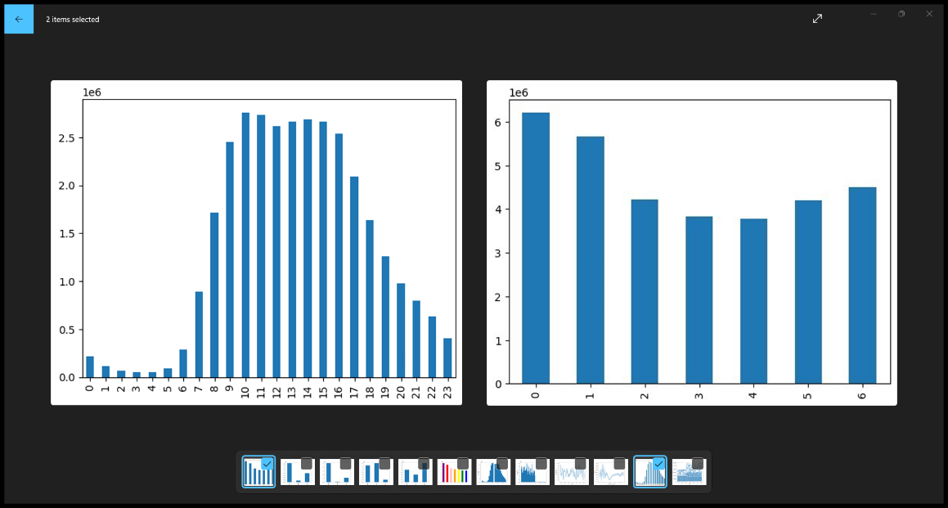

They also want to know whether there are particular times of the day when people spend the most money, as this might inform the type of products they advertise at these times.
Customers spend the most money earlier in the day, peaking at hour 3, and dipping to the least amount spent at 10.
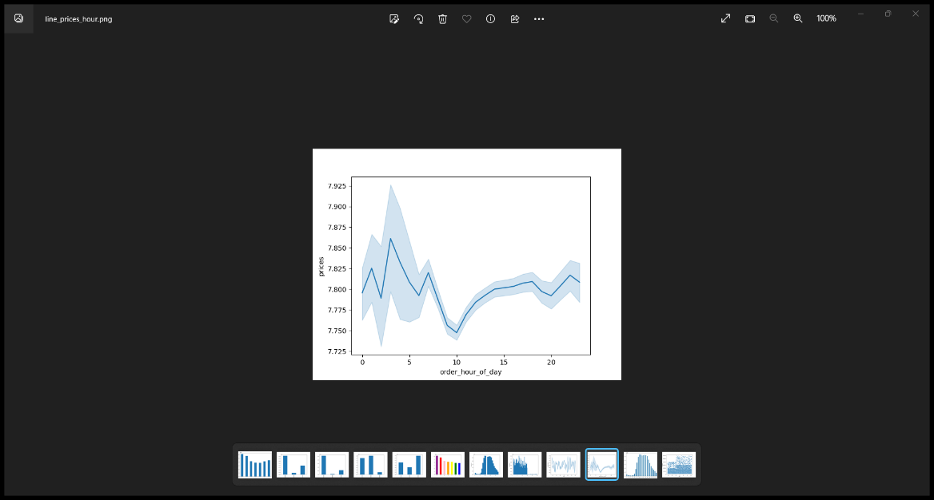

Are there certain types of products that are more popular than others? The marketing and sales teams want to know which departments have the highest frequency of product orders.
produce 9479291
dairy eggs 5398747
snacks 2887550
beverages 2688123
frozen 2234743
pantry 1875369
bakery 1172428
canned goods 1068058
deli 1051249
dry goods pasta 866627
household 738666
meat seafood 708927
breakfast 703033
personal care 447572
babies 423802
international 269253
alcohol 153696
pets 97716
missing 69145
other 36291
bulk 34573

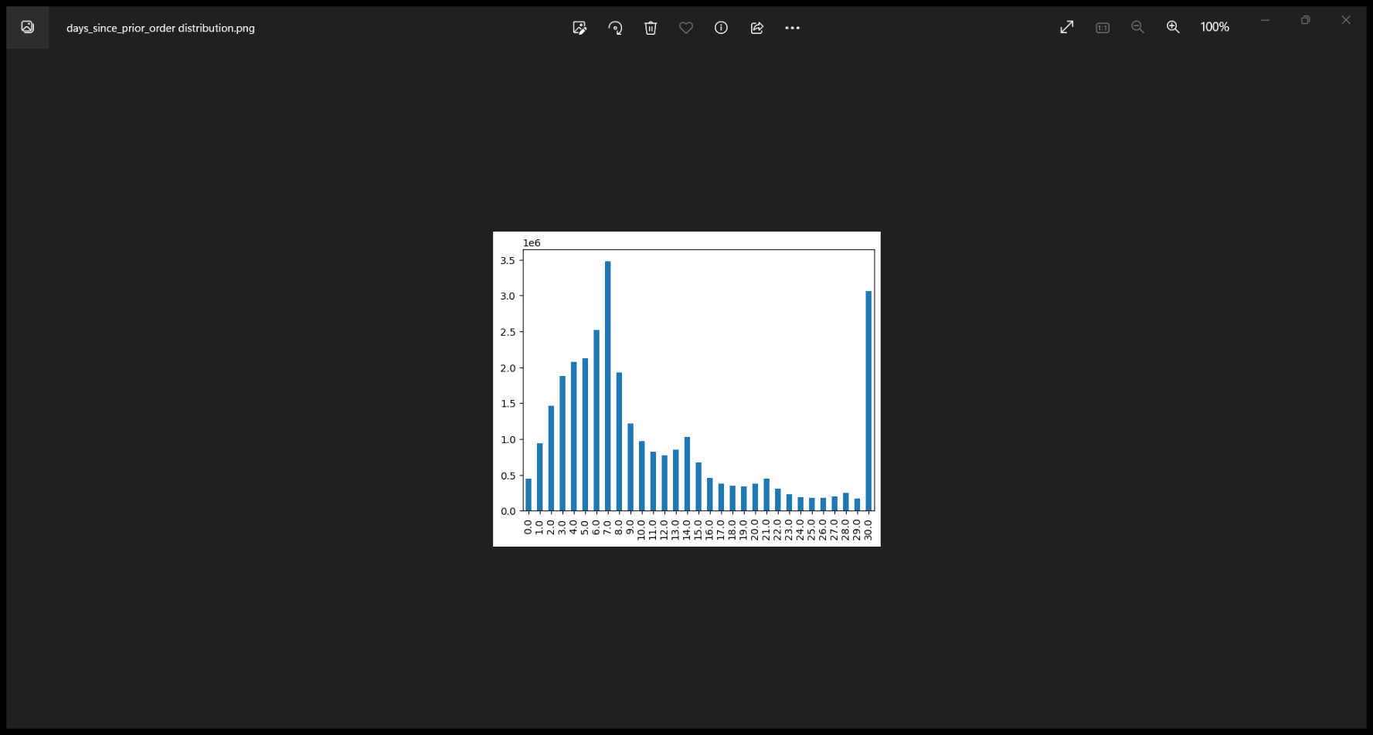
What’s the distribution among users in regards to their brand loyalty (i.e., how often do they return to Instacart)?
Most customers order once a week with 7 days being the most popular amount of days spent in between orders. The next highest is 30, which is probably one time customers.

Are there differences in ordering habits based on a customer’s loyalty status?
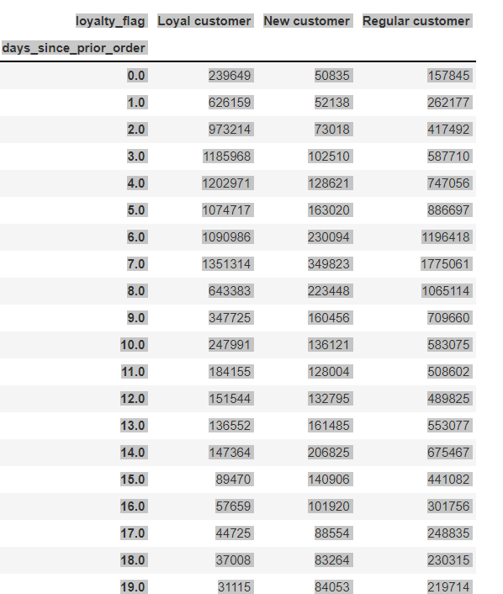

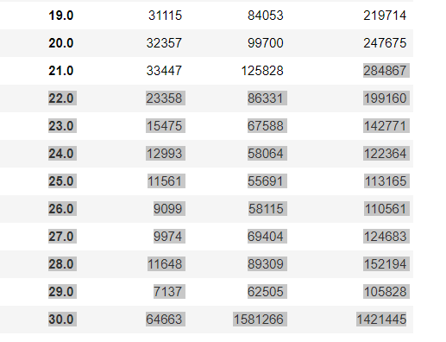

Are there differences in ordering habits based on a customer’s region?
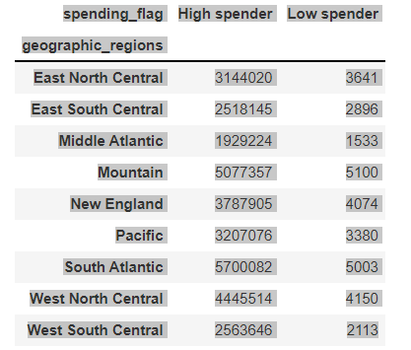

Is there a connection between age and family status?
family_status | divorced/widowed | living with parents and siblings | married | single
Age
18 | 0 | 375158 | 0 | 125316
19 | 0 | 408822 | 0 | 110784
20 | 0 | 377039 | 0 | 125809
21 | 0 | 389584 | 0 | 122943
22 | 0 | 0 | 379672 | 134181
... | ... | ... | ... | ...
77 | 119783 | 0 | 382337 | 0
78 | 128848 | 0 | 366463 | 0
79 | 124377 | 0 | 405365 | 0
80 | 123674 | 0 | 391572 | 0
81 | 144657 | 0 | 364627 | 0

What different classifications does the demographic information suggest? Age? Income? Certain types of goods?
Age just gives the different ages of customers. They were profiled as young adults, middle age, and older
Income lets you know how much each customer makes. They were profiled as high income, middle income, and lower income.
Departments were profiled as high demand, low demand, and medium demand.

